January
JANUARY 2015 SNOWBIRD ACTIVITIES CALENDAR
Sunday | Monday |  | Tuesday | Wednesday |  | Thursday |  | Friday | Saturday
 |  |  |  |  |  | 2015-01-01 | New Year's Day | 2015-01-02 | 2015-01-03

2015-01-04 | 2015-01-05 |  | 2015-01-06 | 2015-01-07 |  | 2015-01-08 |  | 2015-01-09 | 2015-01-10

2015-01-11 | 2015-01-12 |  | 2015-01-13 | 2015-01-14 |  | 2015-01-15 |  | 2015-01-16 | 2015-01-17

2015-01-18 | 2015-01-19 | ML King Day | 2015-01-20 | 2015-01-21 |  | 2015-01-22 |  | 2015-01-23 | 2015-01-24

2015-01-25 | 2015-01-26 |  | 2015-01-27 | 2015-01-28 |  | 2015-01-29 |  | 2015-01-30 | 2015-01-31

 |  |  | Notes

Description of Activities, Events, Times and Locations
 | Bocce Ball Grab a lawn chair and a cigar - let the games begin. Where: Bocce Court near the entrance to the B Building When: Monday thru Saturday Time: 1:00 pm Til |  |  |  |  |  | Wii Bowling Why go out to the lanes Where: B Building Conference Room When: Wednesday's Time: 1:00 pm Til
 | Water Aerobics Need some low impact exercise? Where: B Building Indoor Pool When: Monday thru Saturday Time: 9:00 am - 10:00 am |  |  |  |  |  | Bingo Gather your friends and play for prizes. Where: Renaissance Tower Meeting Room When: Tuesday's Time: 4:00 pm - 6:00pm
 | Bridge Games Bring a group or just join in for fun Where: Renaissance Tower Meeting Room When: Thursday's Time: 7:00 pm - 9pm |  |  |  |  |  | Crafting Club Let the creativity flow at the crafters club. Where: B Building Meeting Room When: Wednesday's Time: 1:00 pm -3:00 pm
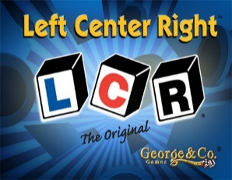 | Left Center Right Dice game for all ages. Where: B Building Meeting Room When: Wednesday's Time: 1:00 pm -3:00 pm |  |  |  |  |  | Zumba Class Let the creativity flow at the crafters club. Where: B Building Meeting Room When: Monday's Time: 1:00 pm -3:00 pm
 | Pot Luck / Covered Dish Bring something to dink and something to share. Where: B Building Meeting Room When: Check Front Side Schedule for Dates Time: 6:00 pm - 8:00 pm |  |  |  |  |  | Jam Session Join Paul Bright and Friends for a Music Jam Session Where: B Building Meeting Room When: Tuesday's Time: 1:00 pm -3:00 pm
 | Winter Classic Golf Tournament More info and sign up at the Front Desk Check in. Where: Indian Wells Golf Course When: March 10th Time: 8:00 am Tee Off |  |  |  |  |  | Beach Walk Throw on the flips flops and get some fresh air . Where: Quarterdeck Bridge When: Thursday's Time: 9:00 am - 10:00 am
 | Valentines Day Party Bring something to dink and something to share. Irish Entertainment by Pat Reid and Friends Where: B Building Meeting Room When: March 17th Time: 4:00 pm - 6:00 pm |  |  |  |  |  | Food Drive Why lug all those groceries home. Myrtle Beach Resort Vacations will be collecting food items to help feed the homeless in our community Where: Bring items to the Front Desk Check-in When: March 27th thru 30th

February
FEBRUARY 2015 SNOWBIRD ACTIVITIES CALENDAR
Sunday |  | Monday | Tuesday |  | Wednesday | Thursday |  | Friday |  | Saturday
2015-02-01 |  | 2015-02-02 | 2015-02-03 |  | 2015-02-04 | 2015-02-05 |  | 2015-02-06 |  | 2015-02-07

2015-02-08 |  | 2015-02-09 | 2015-02-10 |  | 2015-02-11 | 2015-02-12 |  | 2015-02-13 | Pot Luck Dinner | 2015-02-14 | Valentine's Day

2015-02-15 |  | 2015-02-16 | 2015-02-17 | Party | 2015-02-18 | 2015-02-19 |  | 2015-02-20 |  | 2015-02-21 | Night Out

2015-02-22 | Pot Luck Dinner | 2015-02-23 | 2015-02-24 |  | 2015-02-25 | 2015-02-26 | Food Drive | 2015-02-27 | Food Drive | 2015-02-28

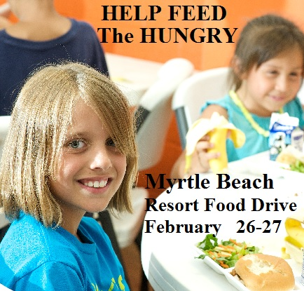 |  |  | Notes |  |  | 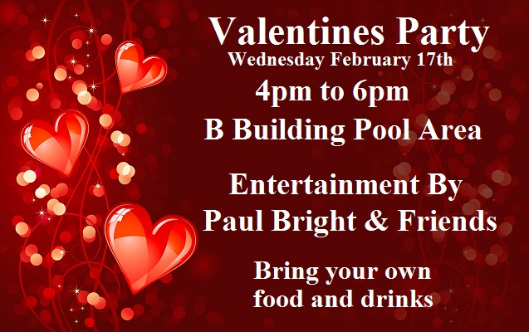
 |  |  | *Drop off non perishable items for the Food Drive to the Front Desk during hours of operation

 |  |  | Special Events Calendar Weekly Scheduled Events on Back Page

Description of Activities, Events, Times and Locations
 |  | Bocce Ball Grab a lawn chair and a cigar - let the games begin. Where: Bocce Court near the entrance to the B Building When: Monday thru Saturday Time: 10:00 am - 12:00pm |  |  |  |  | Wii Bowling Why go out to the lanes Where: B Building Conference Room When: Wednesday's Time: 1:00 pm Til
 |  | Water Aerobics Need some low impact exercise? Where: B Building Indoor Pool When: Monday thru Friday Time: 9:00 am - 10:00 am |  |  |  |  | Bingo Gather your friends and play for prizes. Where: Renaissance Tower Meeting Room When: Wednesday's Time: 4:00 pm - 6:00pm
 |  | Bridge Games Bring a group or just join in for fun Where: Renaissance Tower Meeting Room When: Wednesday's Time: 6:00 pm - 9pm |  |  |  |  | Crafting Club Let the creativity flow at the crafters club. Where: B Building Meeting Room When: Tuesday's Time: 1:00 pm -3:00 pm
 |  | Left Center Right Dice game for all ages. Where: B Building Meeting Room When: Monday's Time: 7:00 pm til |  |  |  |  | Zumba Class Join the Zumba Craze Exercise with friends at. Where: B Building Meeting Room When: Monday's Time: 9:00 am - 10:00 am
 |  | Pot Luck / Covered Dish Bring something to drink and something to share. Where: B Building Meeting Room When: Check Front Side Calendar for Dates Time: 6:00 pm - 8:00 pm |  |  |  |  | Jam Session Join Paul Bright and Friends for a Music Jam Session Where: B Building Meeting Room When: Tuesday's Time: 7:00 pm -9:00 pm

 |  | Night Out Support our sponsor and meet out for dinner and drinks at Dagwood's Deli in Surfside Beach. Where: B Building Meeting Room When: Check Front Side Schedule fro Dates Time: 6:00 pm Til |  |  |  |  | Walking Club Avoid the cold with this 4 mile indoor walk. Where: B Building Meeting Room When: Tuesday's & Thursday's Time: 9:00 am - 10:00 am
 |  | Valentines Day Party Bring something to drink and something to share. Entertainment by Paul Bright and Friends Where: B Building Indoor Pool Area When: February 17th Time: 4:00 pm - 6:00 pm |  |  |  |  | Low Impact Aerobics Low impact big results work your with friends. Where: B Building Meeting Room When: Wednesday's Time: 9:00 am - 10:00 am

March
MARCH 2015 SNOWBIRD ACTIVITIES CALENDAR
Sunday |  | Monday |  | Tuesday |  | Wednesday | Thursday |  | Friday |  | Saturday
2015-03-01 |  | 2015-03-02 |  | 2015-03-03 |  | 2015-03-04 | 2015-03-05 |  | 2015-03-06 |  | 2015-03-07 | Night Out

2015-03-08 | Daylight Saving | 2015-03-09 |  | 2015-03-10 | GOLF Tourney | 2015-03-11 | 2015-03-12 |  | 2015-03-13 | Pot Luck Dinner | 2015-03-14

2015-03-15 |  | 2015-03-16 |  | 2015-03-17 | St. Patrick's Day | 2015-03-18 | 2015-03-19 |  | 2015-03-20 | Night Out | 2015-03-21
 |  |  |  | 


2015-03-22 | Pot Luck Dinner | 2015-03-23 |  | 2015-03-24 |  | 2015-03-25 | 2015-03-26 |  | 2015-03-27 | Food Drive | 2015-03-28 | Feed Homeless

2015-03-29 | Food Drive | 2015-03-30 | Feed Homeless | 2015-03-31 |  |  | 

*Drop off non perishable items for the Food Drive to the Front Desk during hours of operation |  |  |  | Special Events Calendar Weekly Scheduled Events on Back Page

Description of Activities, Events, Times and Locations
 |  | Bocce Ball Grab a lawn chair and a cigar - let the games begin. Where: Bocce Court near the entrance to the B Building When: Monday thru Saturday Time: 10:00 am - 12:00pm |  |  |  |  |  | Wii Bowling Why go out to the lanes Where: B Building Conference Room When: Wednesday's Time: 1:00 pm Til
 |  | Water Aerobics Need some low impact exercise? Where: B Building Indoor Pool When: Monday thru Friday Time: 9:00 am - 10:00 am |  |  |  |  |  | Bingo Gather your friends and play for prizes. Where: Renaissance Tower Meeting Room When: Wednesday's Time: 4:00 pm - 6:00pm
 |  | Bridge Games Bring a group or just join in for fun Where: Renaissance Tower Meeting Room When: Wednesday's Time: 6:00 pm - 9pm |  |  |  |  |  | Crafting Club Let the creativity flow at the crafters club. Where: B Building Meeting Room When: Tuesday's Time: 1:00 pm -3:00 pm
 |  | Left Center Right Dice game for all ages. Where: B Building Meeting Room When: Monday's Time: 7:00 pm til |  |  |  |  |  | Zumba Class Join the Zumba Craze Exercise with fiends at. Where: B Building Meeting Room When: Monday's Time: 9:00 am - 10:00 am
 |  | Pot Luck / Covered Dish Bring something to drink and something to share. Where: B Building Meeting Room When: Check the Front Side Calendar for Dates Time: 6:00 pm - 8:00 pm |  |  |  |  |  | Jam Session Join Paul Bright and Friends for a Music Jam Session Where: B Building Meeting Room When: Tuesday's Time: 7:00 pm -9:00 pm
 |  | Winter Classic Golf Tournament More info and sign up at the Front Desk Check in. Where: Indian Wells Golf Course When: March 10th Time: 8:00 am Tee Off |  |  |  |  |  | Walking Club Avoid the cold with this 4 mile indoor walk. Where: B Building Meeting Room When: Tuesday's & Thursday's Time: 9:00 am - 10:00 am
 |  | St. Patrick's Day Party Bring something to dink and something to share. Irish Entertainment by Pat Reid and Friend's Where: B Building Meeting Room When: March 17th Time: 4:00 pm - 6:00 pm |  |  |  |  |  | Low Impact Aerobics Low impact big results work your with friends. Where: B Building Meeting Room When: Wednesday's Time: 9:00 am - 10:00 am

